Sheet1
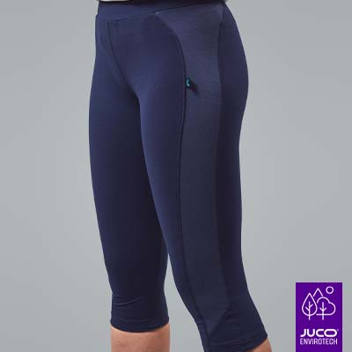
SKU List | Sum of Quantity
7002-BLACK-7/8-10 | 386
7002-BLACK-7/8-12 | 202
7002-BLACK-7/8-14 | 70
7002-BLACK-7/8-16 | 41
7002-BLACK-7/8-18 | 15
7002-BLACK-7/8-20 | 6
7002-BLACK-7/8-3/4 | 1
7002-BLACK-7/8-8 | 481
7002-BLACK-CALF-10 | 38
7002-BLACK-CALF-12 | 43
7002-BLACK-CALF-13 | 8
7002-BLACK-CALF-14 | 43
7002-BLACK-CALF-16 | 18
7002-BLACK-CALF-18 | 6
7002-BLACK-CALF-20 | 4
7002-BLACK-CALF-7/8 | 8
7002-BLACK-CALF-8 | 43
7002-BLACK-CALF-9/10 | 4
7002-BLACK-CAPRI-10 | 49
7002-BLACK-CAPRI-11/12 | 179
7002-BLACK-CAPRI-12 | 48
7002-BLACK-CAPRI-13 | 271
7002-BLACK-CAPRI-14 | 36
7002-BLACK-CAPRI-16 | 23
7002-BLACK-CAPRI-18 | 13
7002-BLACK-CAPRI-20 | 10
7002-BLACK-CAPRI-7/8 | 93
7002-BLACK-CAPRI-8 | 48
7002-BLACK-CAPRI-9/10 | 60
7002-NAVY-7/8-12 | 2
7002-NAVY-7/8-13 | 33
7002-NAVY-7/8-16 | 4
7002-NAVY-7/8-18 | 26
7002-NAVY-7/8-20 | 14
7002-NAVY-7/8-8 | 31
7002-NAVY-7/8-9/10 | 14
7002-NAVY-CALF-10 | 31
7002-NAVY-CALF-11/12 | 20
7002-NAVY-CALF-12 | 39
7002-NAVY-CALF-13 | 21
7002-NAVY-CALF-14 | 49
7002-NAVY-CALF-16 | 24
7002-NAVY-CALF-18 | 14
7002-NAVY-CALF-20 | 8
7002-NAVY-CALF-7/8 | 23
7002-NAVY-CALF-8 | 41
7002-NAVY-CALF-9/10 | 26
7002-NAVY-CAPRI-10 | 22
7002-NAVY-CAPRI-11/12 | 197
7002-NAVY-CAPRI-12 | 36
7002-NAVY-CAPRI-13 | 270
7002-NAVY-CAPRI-14 | 44
7002-NAVY-CAPRI-16 | 21
7002-NAVY-CAPRI-18 | 14
7002-NAVY-CAPRI-20 | 10
7002-NAVY-CAPRI-7/8 | 100
7002-NAVY-CAPRI-8 | 38
7002-NAVY-CAPRI-9/10 | 152
 | 3571

